Sheet1

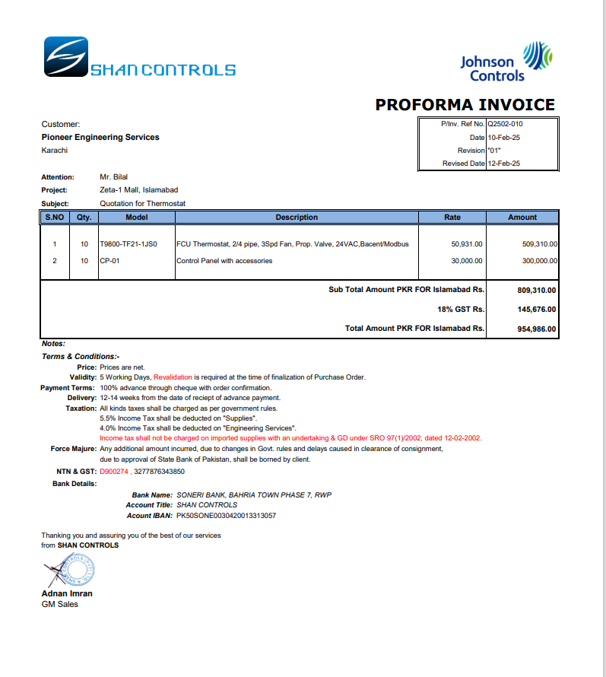
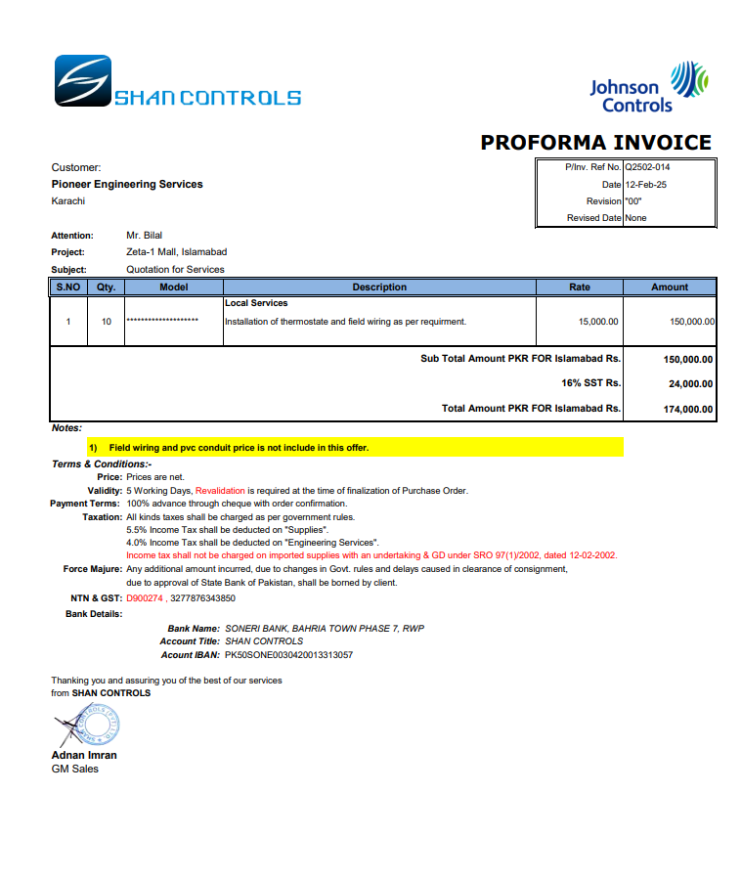

M/S Shan Controls |  |  |  |  | 19-Feb-25
Att: Mr. Imran

PO # 160
Purchase Order

Installation of Thermostat and Field Wiring - J Outlet Zeta Mall Islambad
S No. | D e s c r i p t i o n | Qty | Unit | Rate | Amount
1 | Installation of Thermostat and Field Wiring | 10 | Nos | 25,000 | 250,000
Total |  |  |  |  | 250,000 | -

for Pioneer Engineering Services

 |  |  |  |  |  | -
 |  |  |  |  |  | -
 |  |  |  |  |  | -
 |  |  |  |  |  | -
M. BILAL HABIB |  |  |  |  |  | -
 |  |  |  |  |  | -
 |  |  |  |  |  | -
 |  |  |  |  |  | -
 |  |  |  |  |  | -
 |  |  |  |  |  | -
 |  |  |  |  |  | -
 |  |  |  |  |  | -
 |  |  |  |  |  | -
 |  |  |  |  |  | -

